OUTERWEAR BIG NAMES
OUTERWEAR BIG BRANDS
PHOTOS | BRANDS | REF | DESCR | QTY | RETAIL | TOTAL | SIZE | EAN
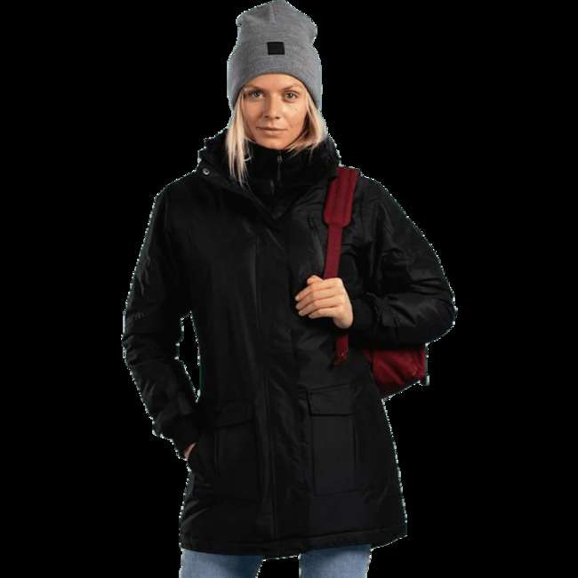 | 2117 of Sweden | 09005-43 | Kiruna Parka Black | 492 | 67.61 € | 33,265.14 € | 38 | 7330134058466
 |  |  |  | 1 | 67.61 € | 67.61 € | 40 | 7330134058473
 |  | Total 09005-43 |  | 493 | 67.61 € | 33,332.75 €
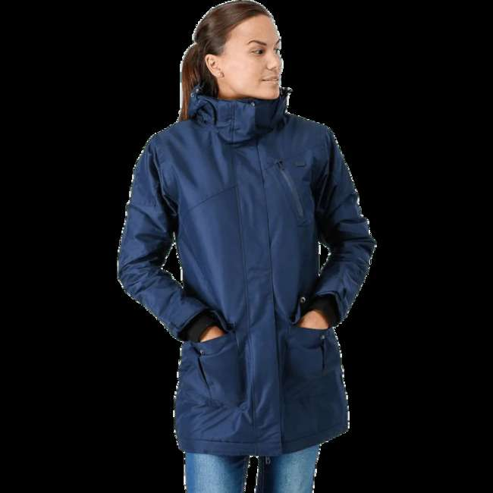 | 2117 of Sweden | 09005-44 | Kiruna Parka Blue | 12 | 192.04 € | 2,304.48 € | 36 | 7330134058527
 |  |  |  | 81 | 192.04 € | 15,555.26 € | 38 | 7330134058534
 |  | Total 09005-44 |  | 93 | 192.04 € | 17,859.74 €
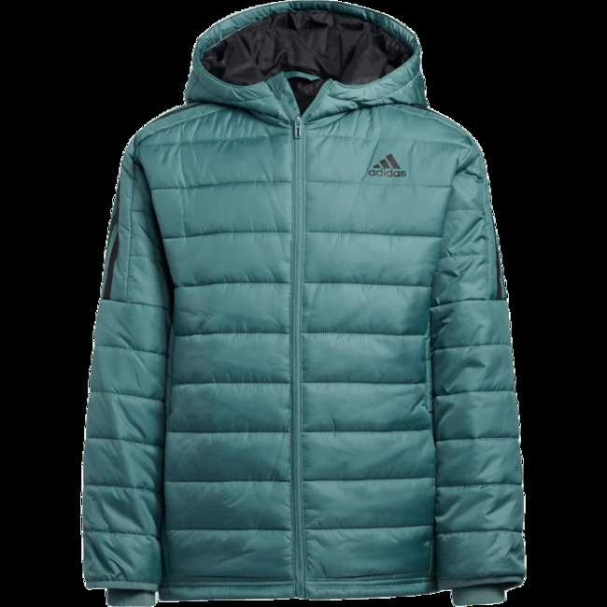 | adidas | 60440-38 | Puffer Jacket Tech Emerald | 60 | 96.89 € | 5,813.36 € | L | 0193585939152
 |  |  |  | 40 | 96.89 € | 3,875.57 € | M | 0193585939145
 |  |  |  | 18 | 96.89 € | 1,744.01 € | S | 0193585939190
 |  |  |  | 22 | 96.89 € | 2,131.56 € | XL | 0193585939169
 |  | Total 60440-38 |  | 140 | 96.89 € | 13,564.50 €
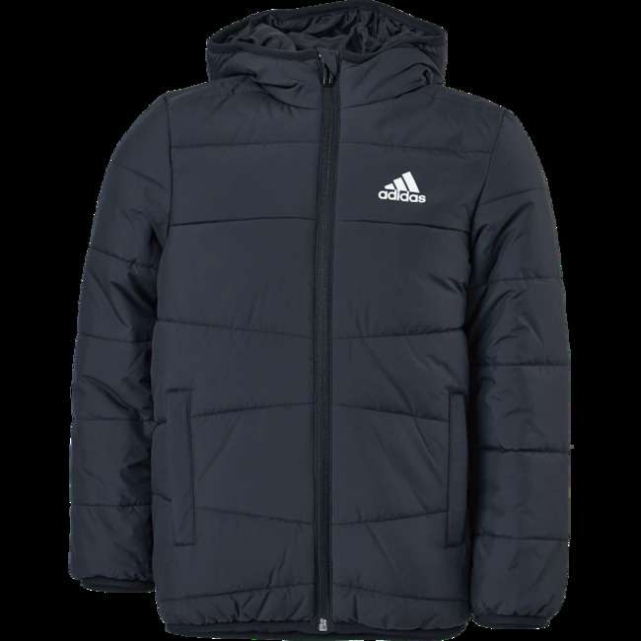 | adidas | 60757-19 | Padded Winter Jacket Black | 32 | 96.89 € | 3,100.46 € | 116 | 4066747619307
 |  |  |  | 30 | 96.89 € | 2,906.68 € | 128 | 4066747619345
 |  | Total 60757-19 |  | 62 | 96.89 € | 6,007.14 €
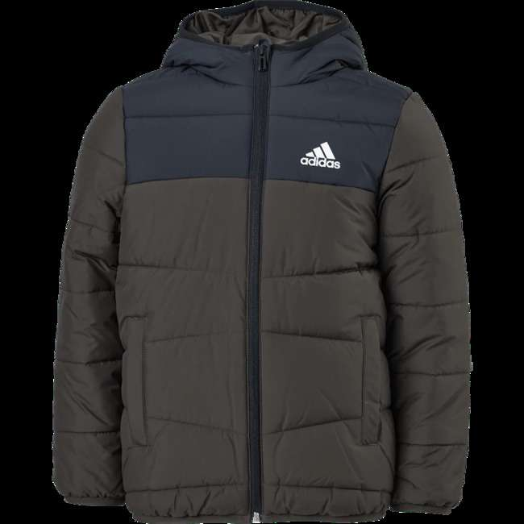 | adidas | 60757-21 | Padded Winter Jacket Shaoli | 23 | 96.89 € | 2,228.45 € | 116 | 4066747638568
 |  |  |  | 15 | 96.89 € | 1,453.34 € | 128 | 4066747638391
 |  |  |  | 7 | 96.89 € | 678.23 € | 140 | 4066747638384
 |  | Total 60757-21 |  | 45 | 96.89 € | 4,360.02 €
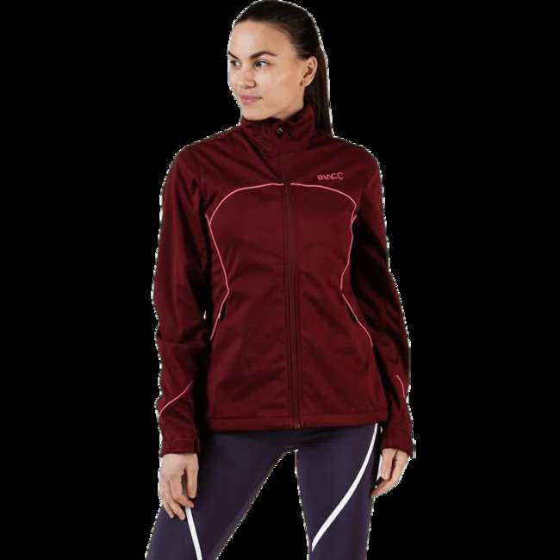 | BLACC | 09264-90 | Field jacket Pink/Red | 5 | 62.12 € | 310.61 € | L | 7325600050648
 |  |  |  | 55 | 62.12 € | 3,416.74 € | M | 7325600050631
 |  |  |  | 55 | 62.12 € | 3,416.74 € | S | 7325600050624
 |  |  |  | 11 | 62.12 € | 683.35 € | XS | 7325600050617
 |  | Total 09264-90 |  | 126 | 62.12 € | 7,827.45 €
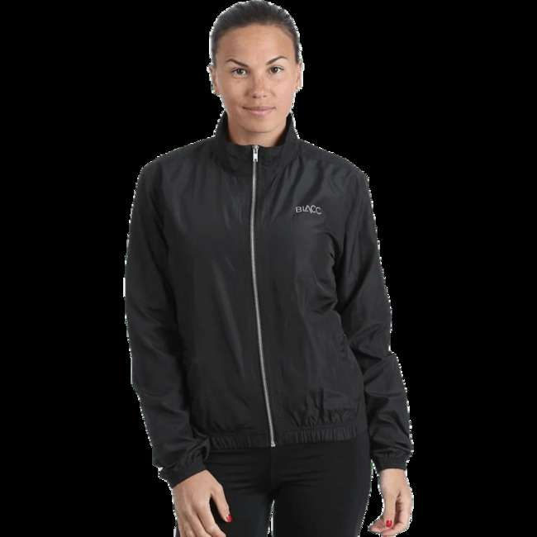 | BLACC | 09265-10 | Rebel Black | 28 | 39.43 € | 1,104.12 € | M | 7325600053922
 |  |  |  | 103 | 39.43 € | 4,061.57 € | S | 7325600053915
 |  |  |  | 36 | 39.43 € | 1,419.58 € | XS | 7325600053908
 |  | Total 09265-10 |  | 167 | 39.43 € | 6,585.27 €
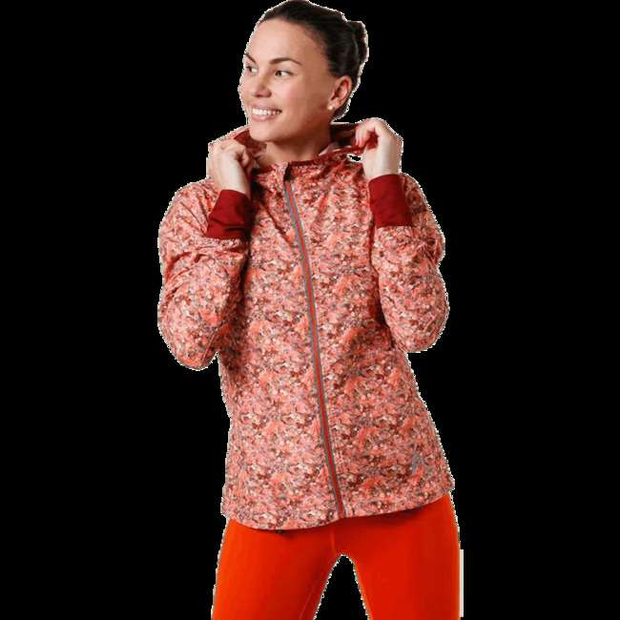 | BLACC | 09288-30 | Ability Orange | 27 | 42.91 € | 1,158.55 € | M | 7325600101333
 |  |  |  | 39 | 42.91 € | 1,673.47 € | S | 7325600101326
 |  |  |  | 6 | 42.91 € | 257.46 € | XS | 7325600101319
 |  | Total 09288-30 |  | 72 | 42.91 € | 3,089.48 €
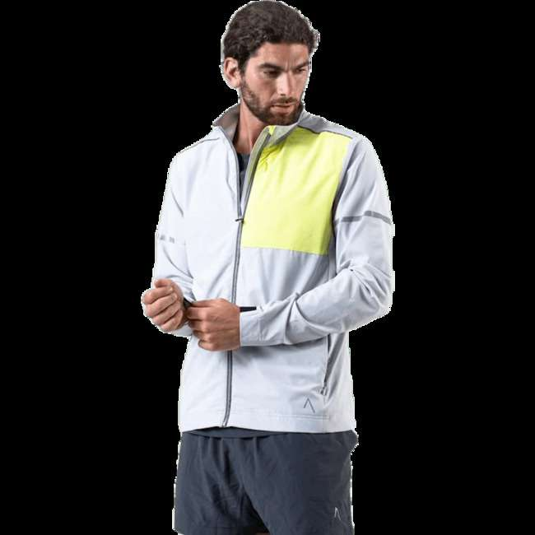 | BLACC | 09308-80 | Fly Limited Jacket Grey | 35 | 76.76 € | 2,686.64 € | L | 7325600113411
 |  |  |  | 16 | 76.76 € | 1,228.18 € | M | 7325600113435
 |  |  |  | 2 | 76.76 € | 153.52 € | S | 7325600113428
 |  |  |  | 21 | 76.76 € | 1,611.99 € | XL | 7325600113404
 |  | Total 09308-80 |  | 74 | 76.76 € | 5,680.33 €
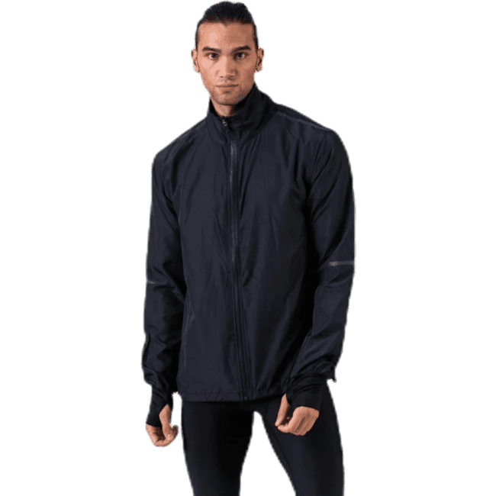 | BLACC | 09309-75 | Alloy Black | 23 | 67.61 € | 1,555.08 € | L | 7325600121751
 |  |  |  | 13 | 67.61 € | 878.96 € | M | 7325600121782
 |  |  |  | 3 | 67.61 € | 202.84 € | S | 7325600121775
 |  |  |  | 6 | 67.61 € | 405.67 € | XL | 7325600121768
 |  | Total 09309-75 |  | 45 | 67.61 € | 3,042.54 €
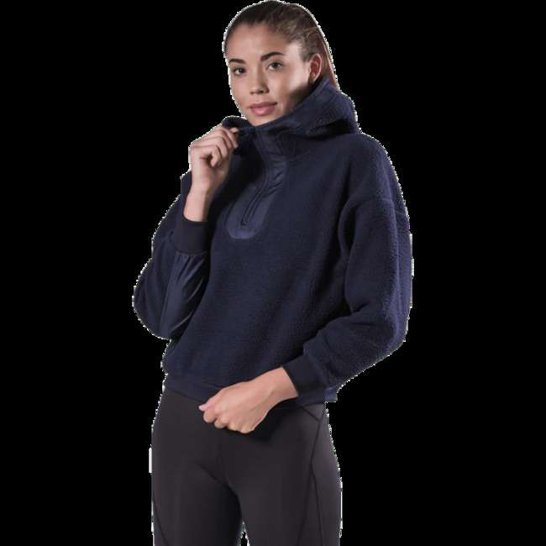 | BLACC | 09402-55 | Lovable Pile Sweater Blue | 35 | 62.12 € | 2,174.29 € | L | 7325600154254
 |  |  |  | 41 | 62.12 € | 2,547.03 € | M | 7325600154247
 |  |  |  | 37 | 62.12 € | 2,298.54 € | S | 7325600154230
 |  |  |  | 8 | 62.12 € | 496.98 € | XL | 7325600154216
 |  |  |  | 29 | 62.12 € | 1,801.56 € | XS | 7325600154223
 |  | Total 09402-55 |  | 150 | 62.12 € | 9,318.39 €
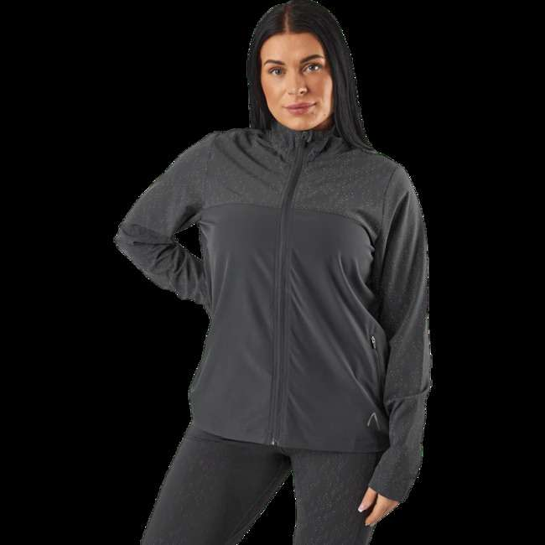 | BLACC | 60722-02 | Run Reflective Jacket Black / Grey | 33 | 89.57 € | 2,955.81 € | L | 7340201405994
 |  |  |  | 68 | 89.57 € | 6,090.76 € | M | 7340201405987
 |  |  |  | 72 | 89.57 € | 6,449.04 € | S | 7340201405970
 |  |  |  | 1 | 89.57 € | 89.57 € | XL | 7340201406007
 |  |  |  | 27 | 89.57 € | 2,418.39 € | XS | 7340201405963
 |  | Total 60722-02 |  | 201 | 89.57 € | 18,003.57 €
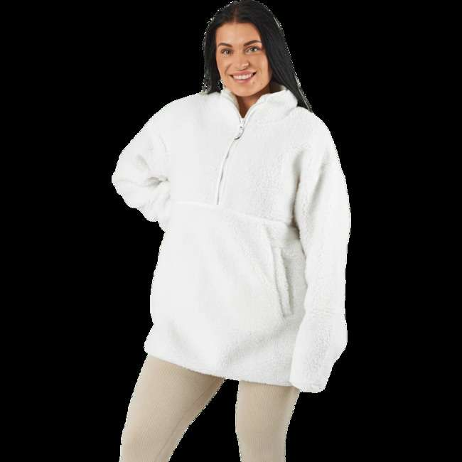 | BLACC | 60722-08 | Pile Full Zip Beige | 17 | 52.97 € | 900.55 € | L | 7340201405215
 |  |  |  | 32 | 52.97 € | 1,695.15 € | M | 7340201405208
 |  |  |  | 27 | 52.97 € | 1,430.28 € | S | 7340201405192
 |  |  |  | 3 | 52.97 € | 158.92 € | XS | 7340201405185
 |  | Total 60722-08 |  | 79 | 52.97 € | 4,184.90 €
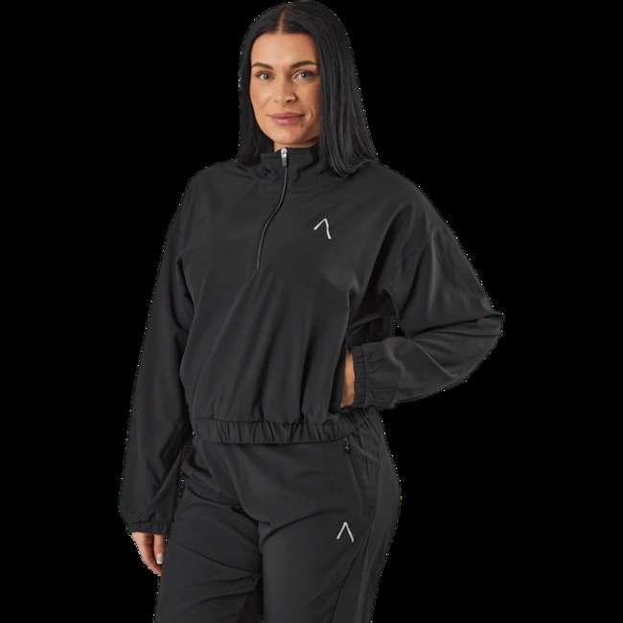 | BLACC | 60959-52 | Tulip Halfzip Jacket Black | 38 | 73.10 € | 2,777.86 € | L | 7340201408001
 |  |  |  | 78 | 73.10 € | 5,701.92 € | M | 7340201407998
 |  |  |  | 70 | 73.10 € | 5,117.11 € | S | 7340201407981
 |  |  |  | 9 | 73.10 € | 657.91 € | XL | 7340201408018
 |  |  |  | 27 | 73.10 € | 1,973.74 € | XS | 7340201407974
 |  | Total 60959-52 |  | 222 | 73.10 € | 16,228.55 €
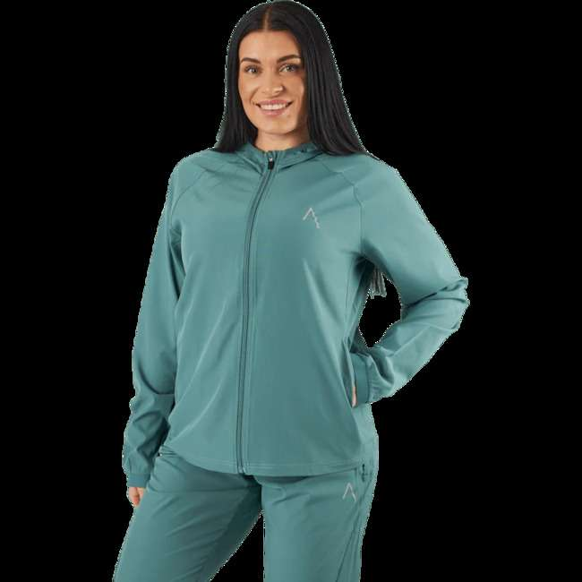 | BLACC | 60959-53 | Tulip Hood Jacket Sagebush Green | 29 | 96.89 € | 2,809.79 € | L | 7340201408124
 |  |  |  | 62 | 96.89 € | 6,007.14 € | M | 7340201408117
 |  |  |  | 65 | 96.89 € | 6,297.80 € | S | 7340201408100
 |  |  |  | 6 | 96.89 € | 581.34 € | XL | 7340201408131
 |  |  |  | 21 | 96.89 € | 2,034.68 € | XS | 7340201408094
 |  | Total 60959-53 |  | 183 | 96.89 € | 17,730.74 €
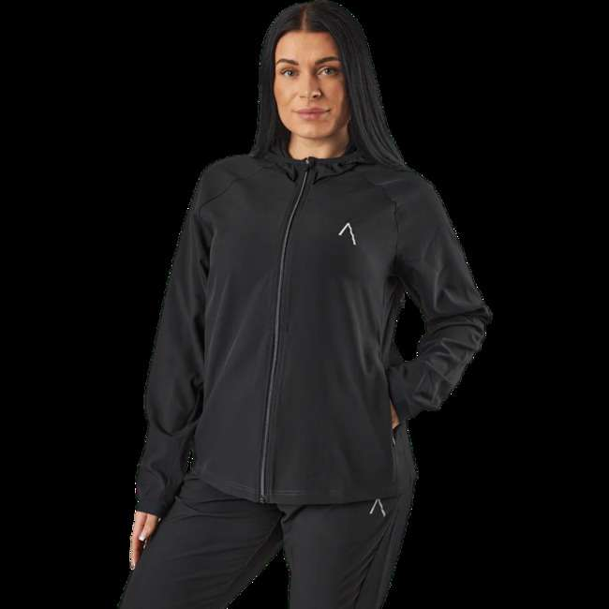 | BLACC | 60959-54 | Tulip Hood Jacket Black | 38 | 96.89 € | 3,681.79 € | L | 7340201408063
 |  |  |  | 86 | 96.89 € | 8,332.48 € | M | 7340201408056
 |  |  |  | 82 | 96.89 € | 7,944.92 € | S | 7340201408049
 |  |  |  | 30 | 96.89 € | 2,906.68 € | XS | 7340201408032
 |  | Total 60959-54 |  | 236 | 96.89 € | 22,865.87 €
 | BLACC | 61045-81 | Tulip Halfzip Jkt Jet Black | 14 | 76.76 € | 1,074.66 € | L | 7340201409343
 |  |  |  | 27 | 76.76 € | 2,072.55 € | M | 7340201409336
 |  |  |  | 27 | 76.76 € | 2,072.55 € | S | 7340201409329
 |  |  |  | 4 | 76.76 € | 307.04 € | XL | 7340201409350
 |  |  |  | 9 | 76.76 € | 690.85 € | XS | 7340201409312
 |  | Total 61045-81 |  | 81 | 76.76 € | 6,217.66 €
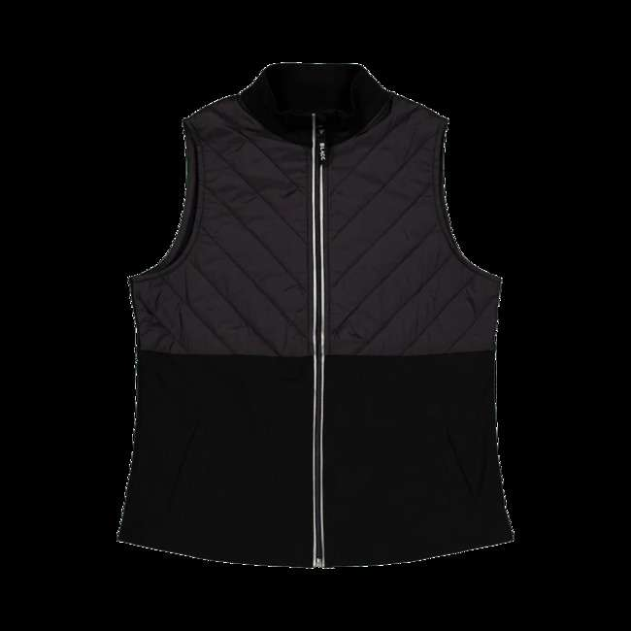 | BLACC | 61045-83 | Run Slim Vest Jet Black | 13 | 96.89 € | 1,259.56 € | L | 7340201409442
 |  |  |  | 27 | 96.89 € | 2,616.01 € | M | 7340201409435
 |  |  |  | 30 | 96.89 € | 2,906.68 € | S | 7340201409428
 |  |  |  | 15 | 96.89 € | 1,453.34 € | XS | 7340201409411
 |  | Total 61045-83 |  | 85 | 96.89 € | 8,235.59 €
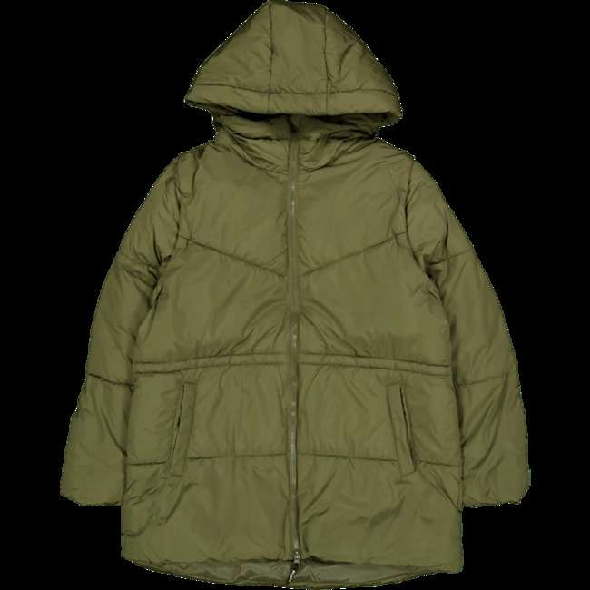 | BLACC | 61045-87 | Maya Padded Hybrid Jacket Olive Night | 68 | 137.15 € | 9,325.89 € | L | 7340201409824
 |  |  |  | 139 | 137.15 € | 19,063.22 € | M | 7340201409817
 |  |  |  | 126 | 137.15 € | 17,280.33 € | S | 7340201409800
 |  |  |  | 19 | 137.15 € | 2,605.76 € | XL | 7340201409831
 |  |  |  | 37 | 137.15 € | 5,074.38 € | XS | 7340201409794
 |  |  |  | 12 | 137.15 € | 1,645.75 € | XXL | 7340201409848
 |  | Total 61045-87 |  | 401 | 137.15 € | 54,995.33 €
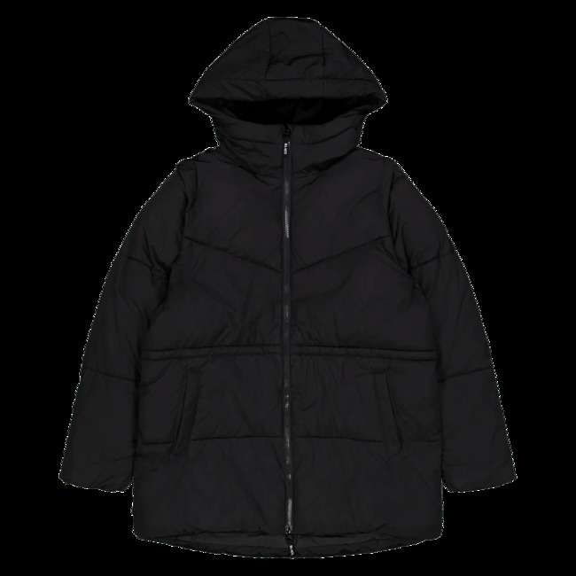 | BLACC | 61045-88 | Maya Padded Hybrid Jacket Jet Black | 35 | 137.15 € | 4,800.09 € | L | 7340201409886
 |  |  |  | 82 | 137.15 € | 11,245.93 € | M | 7340201409879
 |  |  |  | 91 | 137.15 € | 12,480.24 € | S | 7340201409862
 |  |  |  | 25 | 137.15 € | 3,428.64 € | XS | 7340201409855
 |  | Total 61045-88 |  | 233 | 137.15 € | 31,954.89 €
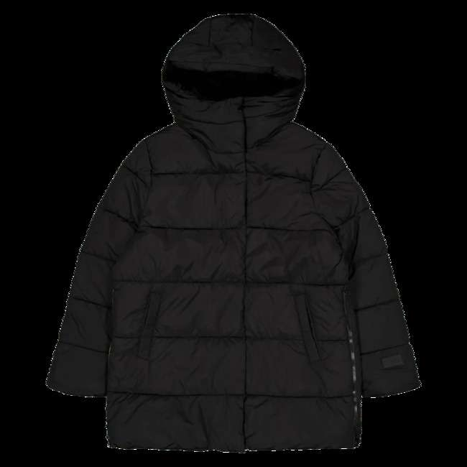 | BLACC | 61045-89 | Lumi Padded Zip Jacket Jet Black | 43 | 137.15 € | 5,897.26 € | L | 7340201409947
 |  |  |  | 104 | 137.15 € | 14,263.13 € | M | 7340201409930
 |  |  |  | 105 | 137.15 € | 14,400.27 € | S | 7340201409923
 |  |  |  | 5 | 137.15 € | 685.73 € | XL | 7340201409954
 |  |  |  | 32 | 137.15 € | 4,388.66 € | XS | 7340201409916
 |  | Total 61045-89 |  | 289 | 137.15 € | 39,635.04 €
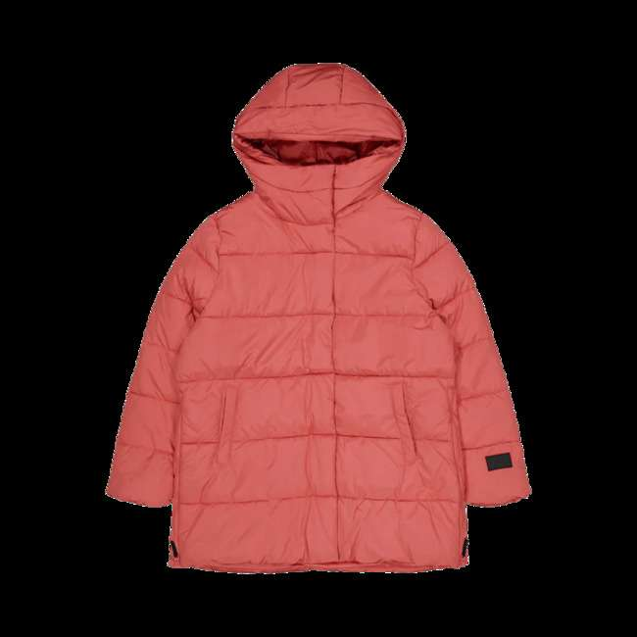 | BLACC | 61045-90 | Lumi Padded Zip Jacket Dusty Cedar | 30 | 137.15 € | 4,114.36 € | L | 7340201410004
 |  |  |  | 1 | 137.15 € | 137.15 € | M | 7340201409992
 |  |  |  | 89 | 137.15 € | 12,205.95 € | M | 7340201409992
 |  |  |  | 86 | 137.15 € | 11,794.51 € | S | 7340201409985
 |  |  |  | 28 | 137.15 € | 3,840.07 € | XS | 7340201409978
 |  |  |  | 4 | 137.15 € | 548.58 € | XXL | 7340201410028
 |  | Total 61045-90 |  | 238 | 137.15 € | 32,640.62 €
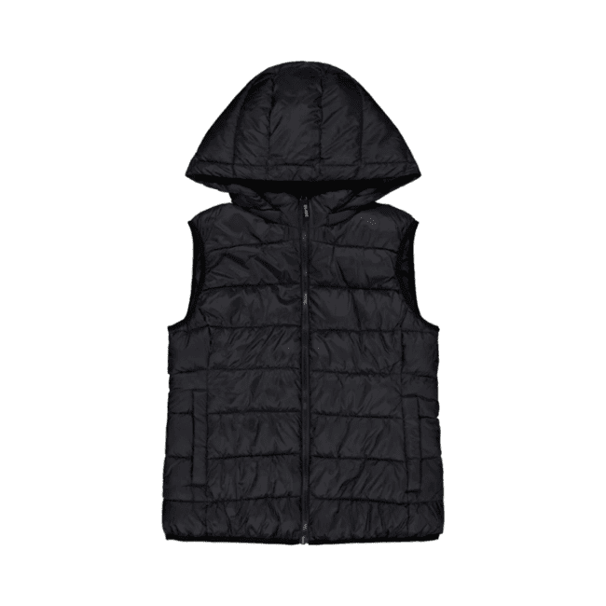 | BLACC | 61045-91 | Lulu Hood Vest Black | 37 | 89.57 € | 3,314.09 € | M | 7340201410042
 |  |  |  | 67 | 89.57 € | 6,001.19 € | S | 7340201410059
 |  |  |  | 27 | 89.57 € | 2,418.39 € | XS | 7340201410035
 |  | Total 61045-91 |  | 131 | 89.57 € | 11,733.67 €
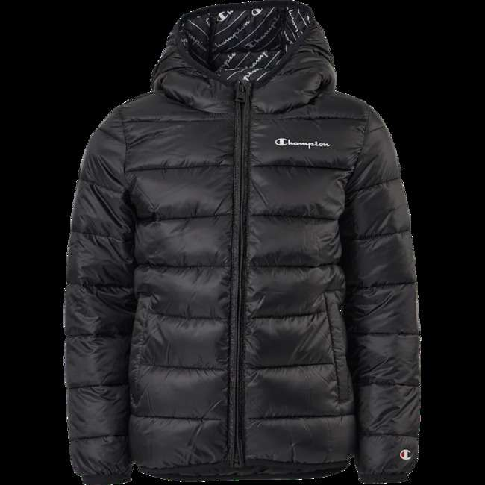 | Champion | 60802-39 | Hooded Jacket Kk002 | 28 | 85.91 € | 2,405.49 € | 104 | 8054112648621
 |  |  |  | 27 | 85.91 € | 2,319.58 € | 116 | 8054112648188
 |  |  |  | 24 | 85.91 € | 2,061.85 € | 128 | 8054112647747
 |  |  |  | 6 | 85.91 € | 515.46 € | 140 | 8054112647525
 |  | Total 60802-39 |  | 85 | 85.91 € | 7,302.38 €
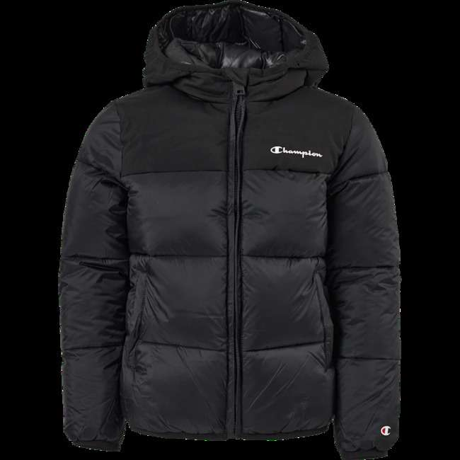 | Champion | 60802-42 | Hooded Jacket Kk001 | 38 | 128.00 € | 4,863.86 € | 104 | 8054112651065
 |  |  |  | 38 | 128.00 € | 4,863.86 € | 116 | 8054112650907
 |  |  |  | 27 | 128.00 € | 3,455.90 € | 128 | 8054112650747
 |  |  |  | 9 | 128.00 € | 1,151.97 € | 140 | 8054112650662
 |  | Total 60802-42 |  | 112 | 128.00 € | 14,335.59 €
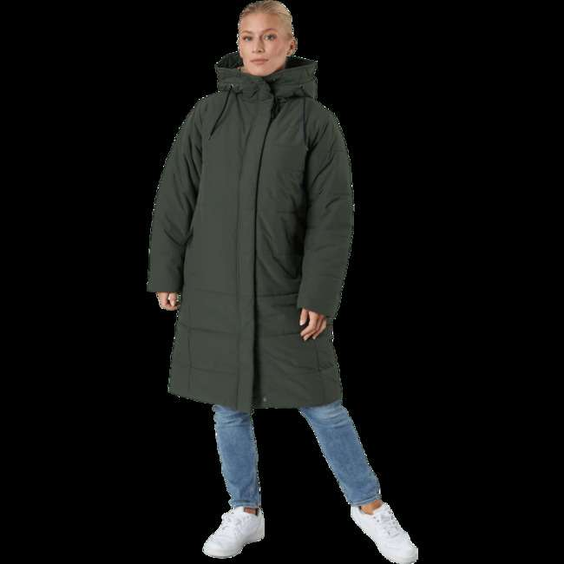 | Didriksons | 60703-99 | Sandra Wns Parka Green | 3 | 292.68 € | 878.04 € | 34 | 7333371056097
 |  |  |  | 20 | 292.68 € | 5,853.61 € | 36 | 7333371056103
 |  |  |  | 30 | 292.68 € | 8,780.42 € | 38 | 7333371056110
 |  |  |  | 29 | 292.68 € | 8,487.74 € | 40 | 7333371056127
 |  |  |  | 13 | 292.68 € | 3,804.85 € | 42 | 7333371056134
 |  |  |  | 1 | 292.68 € | 292.68 € | 44 | 7333371056141
 |  | Total 60703-99 |  | 96 | 292.68 € | 28,097.35 €
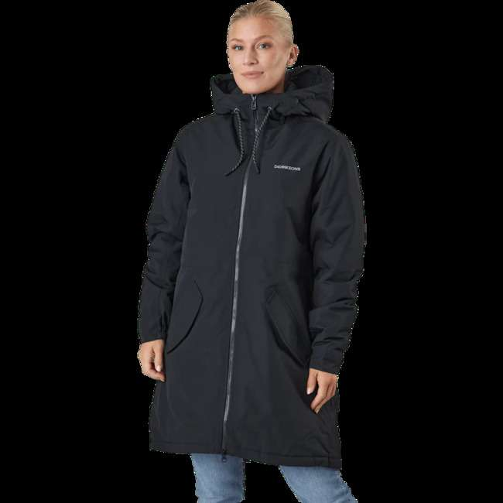 | Didriksons | 60704-23 | Marta-lisa Wns Parka Black | 18 | 256.08 € | 4,609.52 € | 36 | 7333371075524
 |  |  |  | 35 | 256.08 € | 8,962.95 € | 38 | 7333371075531
 |  |  |  | 24 | 256.08 € | 6,146.02 € | 40 | 7333371075548
 |  |  |  | 4 | 256.08 € | 1,024.34 € | 42 | 7333371075555
 |  | Total 60704-23 |  | 81 | 256.08 € | 20,742.82 €
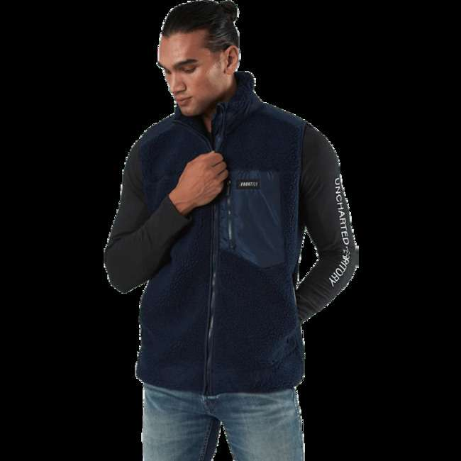 | FRONTIER | 09407-31 | Titus Pile Vest Blue | 38 | 36.51 € | 1,387.19 € | L | 7325600155015
 |  |  |  | 27 | 36.51 € | 985.64 € | M | 7325600155039
 |  |  |  | 7 | 36.51 € | 255.54 € | S | 7325600155008
 |  |  |  | 3 | 36.51 € | 109.52 € | XL | 7325600155022
 |  | Total 09407-31 |  | 75 | 36.51 € | 2,737.88 €
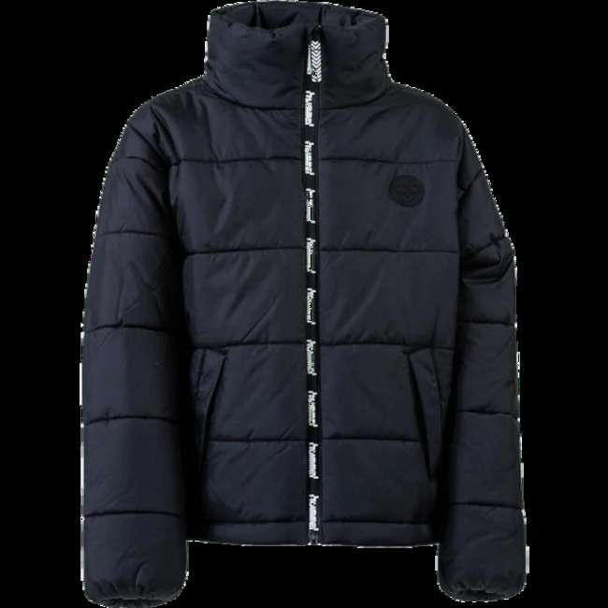 | Hummel | 09293-80 | Junior North Jacket Black | 19 | 109.70 € | 2,084.26 € | 140 | 5700495323251
 |  |  |  | 45 | 109.70 € | 4,936.41 € | 152 | 5700495323275
 |  |  |  | 39 | 109.70 € | 4,278.23 € | 164 | 5700495323299
 |  |  |  | 29 | 109.70 € | 3,181.24 € | 176 | 5700495323312
 |  | Total 09293-80 |  | 132 | 109.70 € | 14,480.15 €
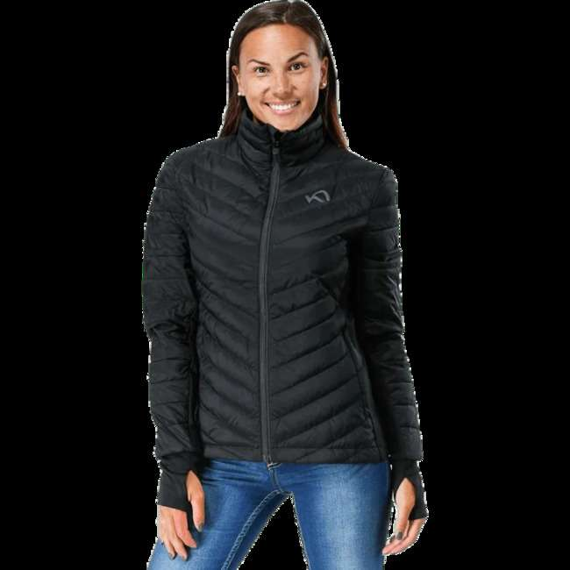 | Kari Traa | 09273-50 | Tove Midlayer Full Zip Black | 79 | 192.04 € | 15,171.18 € | XS | 7048652220059
 |  | Total 09273-50 |  | 79 | 192.04 € | 15,171.18 €
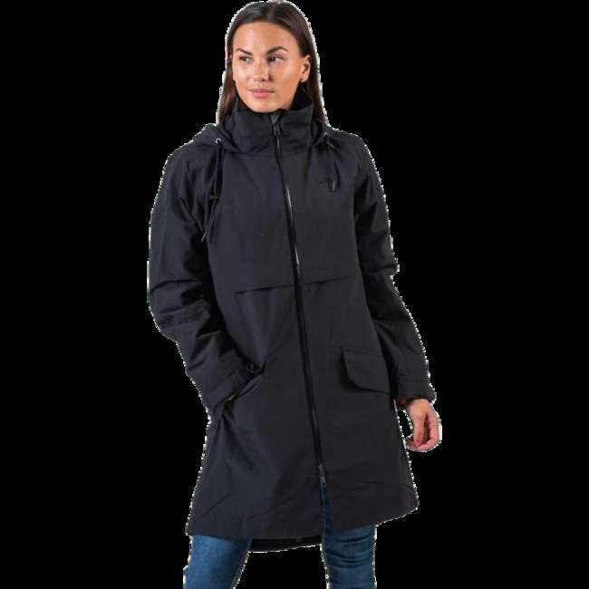 | Kari Traa | 09299-34 | Raundalen L Jacket Black | 61 | 365.87 € | 22,318.30 € | S | 7048652444660
 |  |  |  | 28 | 365.87 € | 10,244.46 € | XS | 7048652444684
 |  | Total 09299-34 |  | 89 | 365.87 € | 32,562.76 €
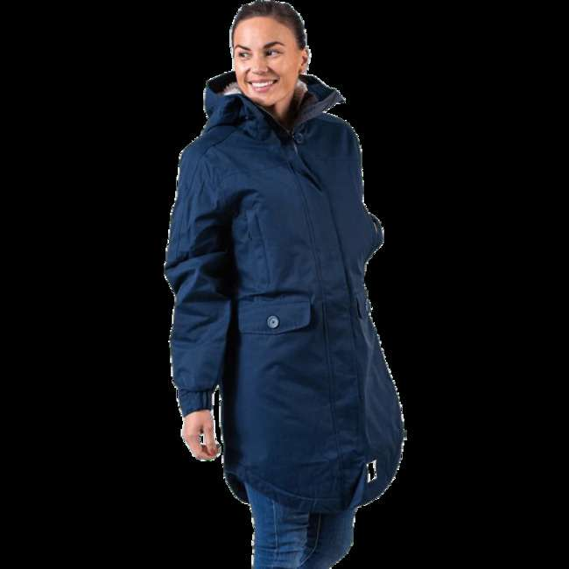 | Kari Traa | 09299-35 | Lekve Parka Blue | 108 | 310.98 € | 33,585.73 € | M | 7048652417718
 |  |  |  | 137 | 310.98 € | 42,604.12 € | S | 7048652417725
 |  |  |  | 56 | 310.98 € | 17,414.82 € | XS | 7048652417749
 |  | Total 09299-35 |  | 301 | 310.98 € | 93,604.67 €
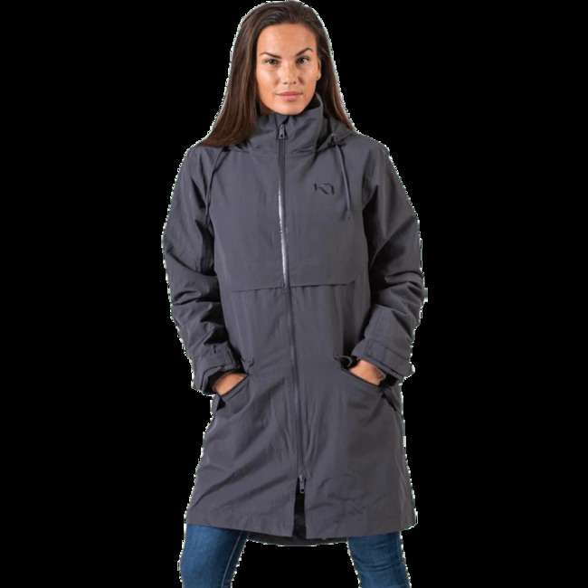 | Kari Traa | 09299-91 | Raundalen L Jacket Green/Grey | 14 | 365.87 € | 5,122.23 € | M | 7048652444707
 |  |  |  | 53 | 365.87 € | 19,391.31 € | S | 7048652444714
 |  |  |  | 21 | 365.87 € | 7,683.35 € | XS | 7048652444738
 |  | Total 09299-91 |  | 88 | 365.87 € | 32,196.89 €
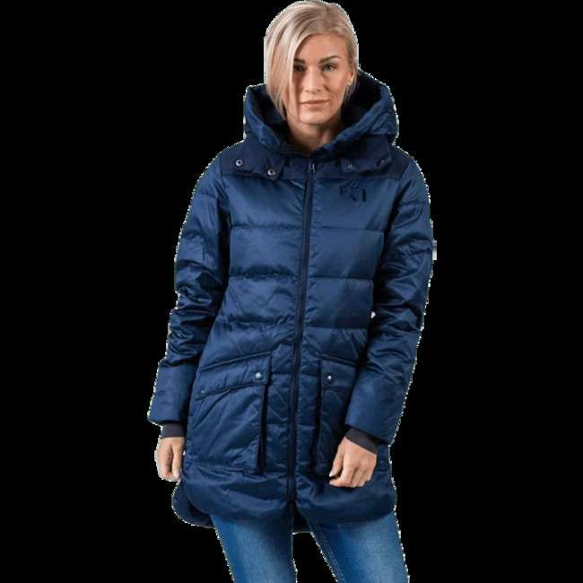 | Kari Traa | 09299-93 | Røthe Parka Blue | 2 | 310.98 € | 621.96 € | M | 7048652444455
 |  |  |  | 87 | 310.98 € | 27,055.17 € | S | 7048652444462
 |  |  |  | 47 | 310.98 € | 14,616.01 € | XS | 7048652444486
 |  | Total 09299-93 |  | 136 | 310.98 € | 42,293.14 €
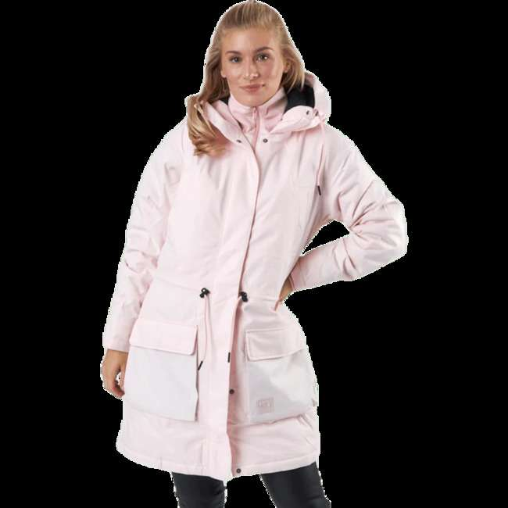 | Kari Traa | 09355-38 | Hydle Parka Pink | 19 | 310.98 € | 5,908.60 € | L | 7048652578624
 |  |  |  | 50 | 310.98 € | 15,548.95 € | M | 7048652578631
 |  |  |  | 30 | 310.98 € | 9,329.37 € | S | 7048652578648
 |  |  |  | 11 | 310.98 € | 3,420.77 € | XS | 7048652578662
 |  | Total 09355-38 |  | 110 | 310.98 € | 34,207.69 €
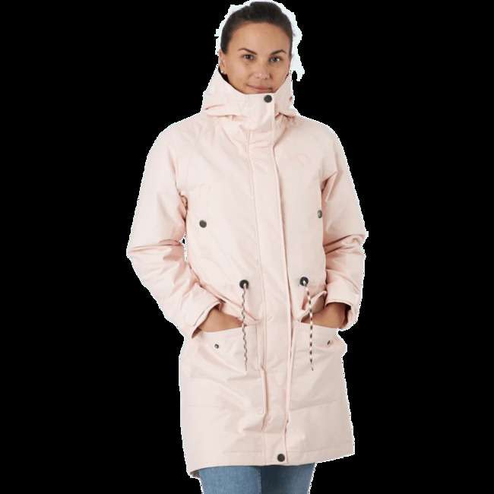 | Kari Traa | 60534-21 | Tvinde Parka Fair | 3 | 219.49 € | 658.46 € | L | 7048652677044
 |  |  |  | 46 | 219.49 € | 10,096.43 € | M | 7048652677051
 |  |  |  | 51 | 219.49 € | 11,193.87 € | S | 7048652677068
 |  |  |  | 18 | 219.49 € | 3,950.78 € | XS | 7048652677082
 |  | Total 60534-21 |  | 118 | 219.49 € | 25,899.54 €
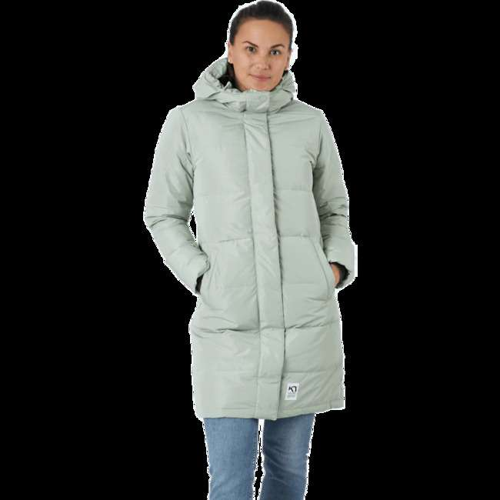 | Kari Traa | 60534-23 | Kyte Parka Slate | 39 | 292.68 € | 11,414.55 € | L | 7048652678096
 |  |  |  | 110 | 292.68 € | 32,194.88 € | M | 7048652678102
 |  |  |  | 102 | 292.68 € | 29,853.43 € | S | 7048652678119
 |  |  |  | 37 | 292.68 € | 10,829.19 € | XS | 7048652678133
 |  | Total 60534-23 |  | 288 | 292.68 € | 84,292.04 €
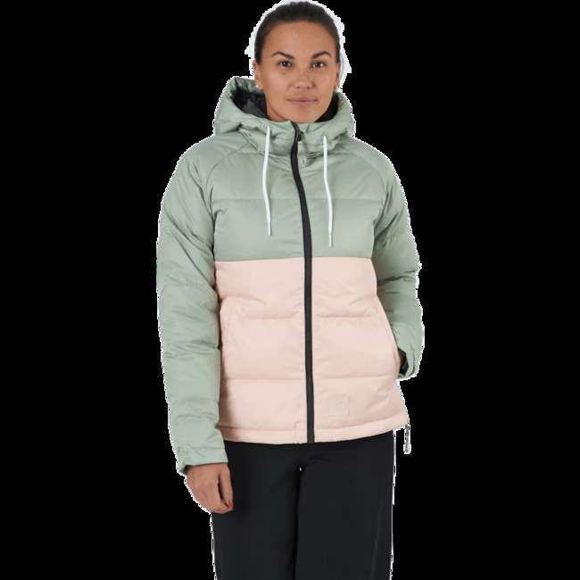 | Kari Traa | 60534-53 | Astrid Jacket Slate | 40 | 310.98 € | 12,439.16 € | L | 7048652677792
 |  |  |  | 77 | 310.98 € | 23,945.38 € | M | 7048652677808
 |  |  |  | 73 | 310.98 € | 22,701.46 € | S | 7048652677815
 |  |  |  | 7 | 310.98 € | 2,176.85 € | XL | 7048652677822
 |  |  |  | 22 | 310.98 € | 6,841.54 € | XS | 7048652677839
 |  | Total 60534-53 |  | 219 | 310.98 € | 68,104.39 €
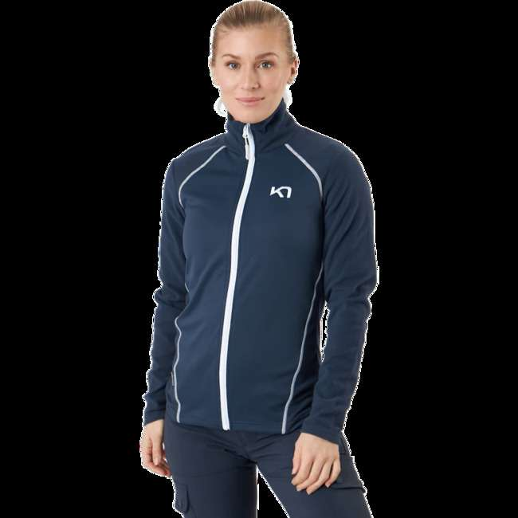 | Kari Traa | 60671-76 | Kari Full-zip Fleece Mar | 43 | 67.61 € | 2,907.32 € | M | 7048652754998
 |  |  |  | 84 | 67.61 € | 5,679.41 € | S | 7048652755001
 |  |  |  | 31 | 67.61 € | 2,095.97 € | XS | 7048652755025
 |  | Total 60671-76 |  | 158 | 67.61 € | 10,682.71 €
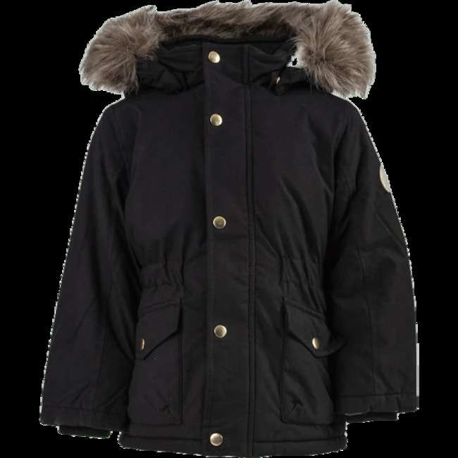 | Name It | 09330-14 | Mibis Parka Jacket Pb Black | 29 | 54.80 € | 1,589.30 € | 80 | 5714506664721
 |  |  |  | 27 | 54.80 € | 1,479.69 € | 86 | 5714506664738
 |  |  |  | 43 | 54.80 € | 2,356.54 € | 92 | 5714506664745
 |  |  |  | 40 | 54.80 € | 2,192.13 € | 98 | 5714506664752
 |  |  |  | 37 | 54.80 € | 2,027.72 € | 104 | 5714506664769
 |  |  |  | 19 | 54.80 € | 1,041.26 € | 110 | 5714506664776
 |  | Total 09330-14 |  | 195 | 54.80 € | 10,686.64 €
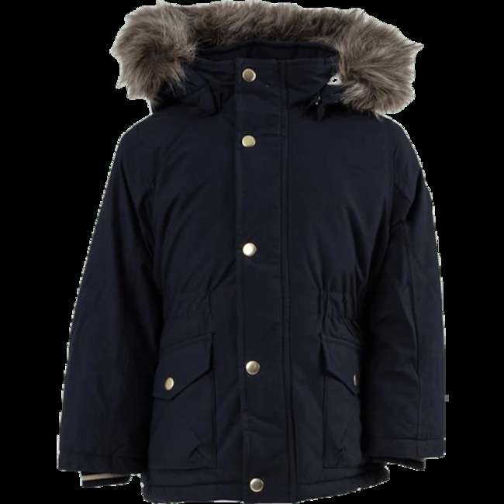 | Name It | 09330-15 | Mibis Parka Jacket Pb Blue | 25 | 54.80 € | 1,370.08 € | 80 | 5714507884890
 |  |  |  | 23 | 54.80 € | 1,260.48 € | 86 | 5714507884906
 |  |  |  | 36 | 54.80 € | 1,972.92 € | 92 | 5714507884913
 |  |  |  | 35 | 54.80 € | 1,918.12 € | 98 | 5714507884920
 |  |  |  | 34 | 54.80 € | 1,863.31 € | 104 | 5714507884937
 |  |  |  | 19 | 54.80 € | 1,041.26 € | 110 | 5714507884944
 |  | Total 09330-15 |  | 172 | 54.80 € | 9,426.17 €
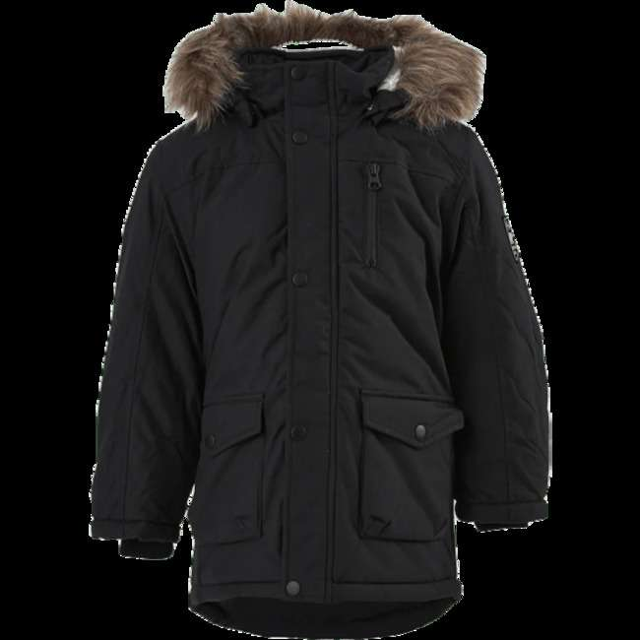 | Name It | 09348-81 | Mibis Parka Jacket Pb Black | 25 | 54.80 € | 1,370.08 € | 80 | 5714507885286
 |  |  |  | 19 | 54.80 € | 1,041.26 € | 86 | 5714507885293
 |  |  |  | 29 | 54.80 € | 1,589.30 € | 92 | 5714507885309
 |  |  |  | 17 | 54.80 € | 931.66 € | 98 | 5714507885316
 |  | Total 09348-81 |  | 90 | 54.80 € | 4,932.30 €
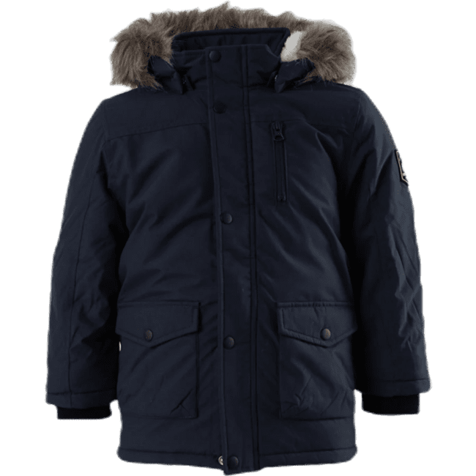 | Name It | 09348-83 | Mibis Parka Jacket Pb Blue | 27 | 54.80 € | 1,479.69 € | 80 | 5714506665131
 |  |  |  | 20 | 54.80 € | 1,096.07 € | 86 | 5714506665148
 |  |  |  | 28 | 54.80 € | 1,534.49 € | 92 | 5714506665155
 |  |  |  | 18 | 54.80 € | 986.46 € | 98 | 5714506665162
 |  | Total 09348-83 |  | 93 | 54.80 € | 5,096.71 €
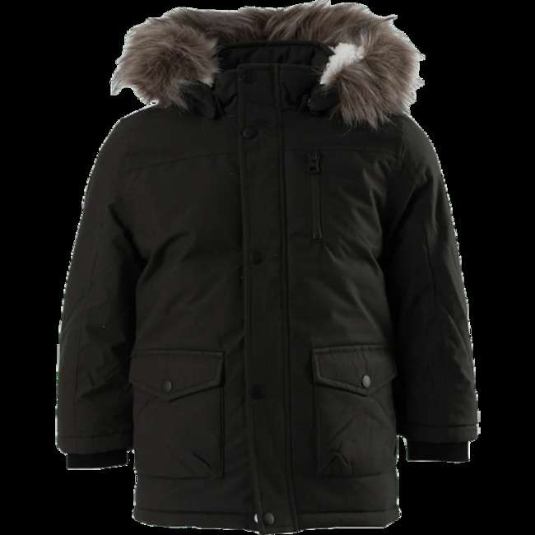 | Name It | 09348-87 | Mibis Parka Jacket Pb Brown | 20 | 54.80 € | 1,096.07 € | 80 | 5714506664943
 |  |  |  | 10 | 54.80 € | 548.03 € | 86 | 5714506664950
 |  |  |  | 19 | 54.80 € | 1,041.26 € | 92 | 5714506664967
 |  |  |  | 11 | 54.80 € | 602.84 € | 98 | 5714506664974
 |  | Total 09348-87 |  | 60 | 54.80 € | 3,288.20 €
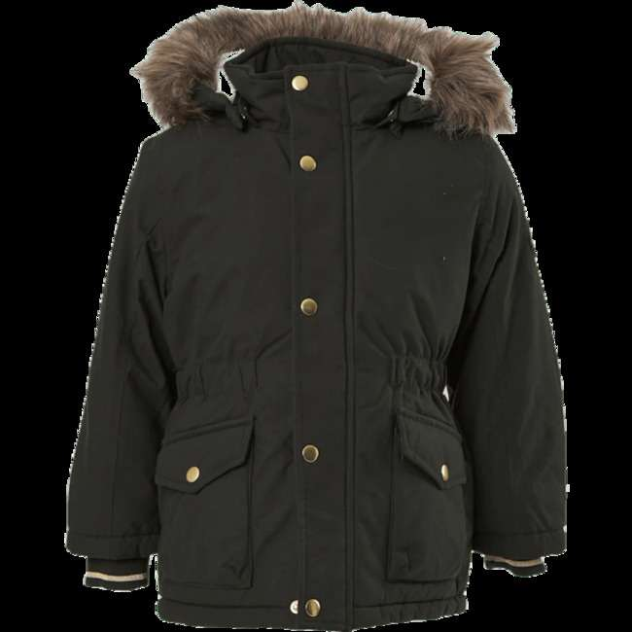 | Name It | 09348-88 | Mibis Parka Jacket Pb Brown | 15 | 41.08 € | 616.19 € | 80 | 5714507884791
 |  |  |  | 14 | 41.08 € | 575.11 € | 86 | 5714507884807
 |  |  |  | 21 | 41.08 € | 862.67 € | 92 | 5714507884814
 |  |  |  | 20 | 41.08 € | 821.59 € | 98 | 5714507884821
 |  |  |  | 21 | 41.08 € | 862.67 € | 104 | 5714507884838
 |  |  |  | 11 | 41.08 € | 451.88 € | 110 | 5714507884845
 |  | Total 09348-88 |  | 102 | 41.08 € | 4,190.12 €
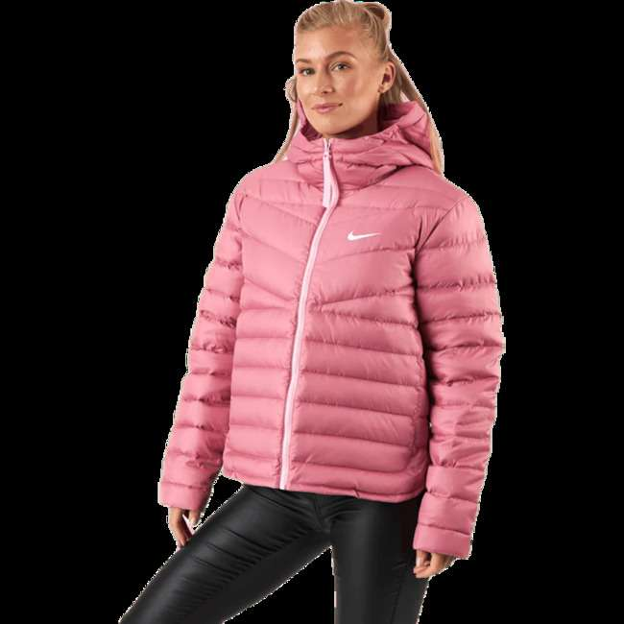 | Nike | 09370-19 | Nsw Wr Lt Wt Dwn Jkt Pink/White | 17 | 219.49 € | 3,731.29 € | L | 0194493754950
 |  |  |  | 38 | 219.49 € | 8,340.53 € | M | 0194493754943
 |  |  |  | 33 | 219.49 € | 7,243.09 € | S | 0194493754936
 |  |  |  | 15 | 219.49 € | 3,292.31 € | XS | 0194493754929
 |  | Total 09370-19 |  | 103 | 219.49 € | 22,607.23 €
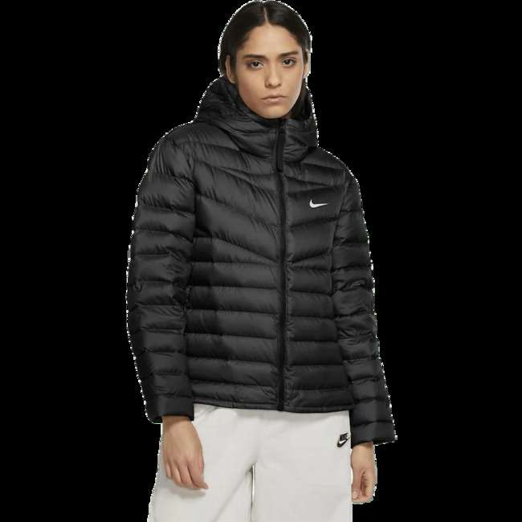 | Nike | 09527-52 | Nsw Wr Lt Wt Dwn Jkt White/Black | 19 | 219.49 € | 4,170.27 € | L | 0194493754899
 |  |  |  | 51 | 219.49 € | 11,193.87 € | M | 0194493754882
 |  |  |  | 28 | 219.49 € | 6,145.65 € | S | 0194493754875
 |  |  |  | 10 | 219.49 € | 2,194.88 € | XL | 0194493754905
 |  | Total 09527-52 |  | 108 | 219.49 € | 23,704.67 €
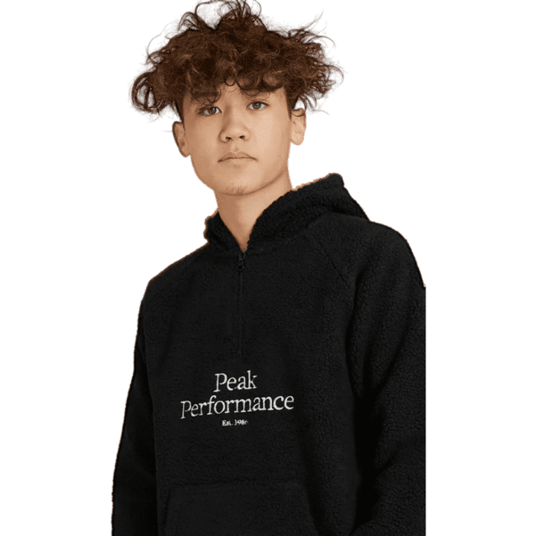 | Peak Performance | 60469-17 | Junior Original Pile Half Zip Black | 65 | 109.70 € | 7,130.38 € | 130 | 7333269277054
 |  |  |  | 46 | 109.70 € | 5,046.11 € | 140 | 7333269277061
 |  | Total 60469-17 |  | 111 | 109.70 € | 12,176.49 €
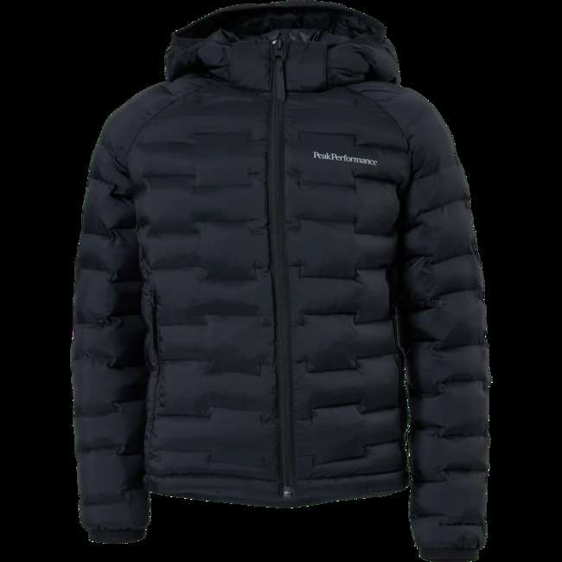 | Peak Performance | 60469-39 | Junior Argon Light Hood Jkt Black | 68 | 201.19 € | 13,680.88 € | 130 | 7333269240041
 |  |  |  | 1 | 201.19 € | 201.19 € | 140 | 7333269240065
 |  | Total 60469-39 |  | 69 | 201.19 € | 13,882.07 €
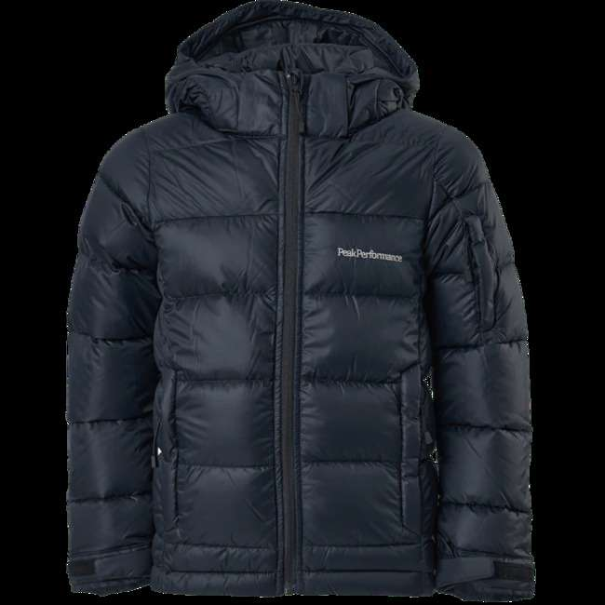 | Peak Performance | 60469-48 | Junior Frost Down Jacket Black | 152 | 274.38 € | 41,706.13 € | 130 | 7333269262241
 |  |  |  | 75 | 274.38 € | 20,578.68 € | 140 | 7333269262227
 |  | Total 60469-48 |  | 227 | 274.38 € | 62,284.81 €
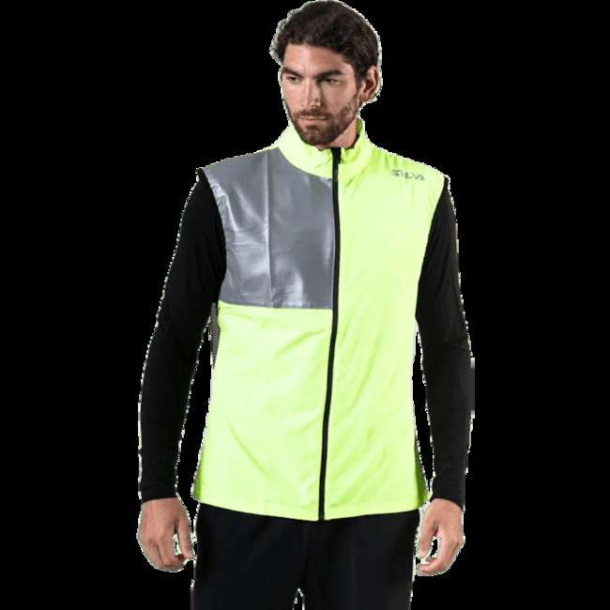 | Silva | 09301-10 | Silva Perform Vest Yellow | 77 | 36.51 € | 2,810.89 € | XL | 7318860194153
 |  | Total 09301-10 |  | 77 | 36.51 € | 2,810.89 €
 | Silva | 09301-11 | Silva Perform Vest Yellow | 140 | 36.51 € | 5,110.70 € | XL | 7318860194313
 |  | Total 09301-11 |  | 140 | 36.51 € | 5,110.70 €
 | Silva | 09301-12 | Silva Perform Vest Pink | 109 | 18.21 € | 1,984.54 € | L | 7318860194290
 |  |  |  | 352 | 18.21 € | 6,408.78 € | XL | 7318860194306
 |  | Total 09301-12 |  | 461 | 18.21 € | 8,393.32 €
 | Studio Total | 60839-13 | Studio Total Lambton Wool Coat | 27 | 219.49 € | 5,926.17 € | 46 | 7325901003718
 |  |  |  | 46 | 219.49 € | 10,096.43 € | 50 | 7325901003732
 |  | Total 60839-13 |  | 73 | 219.49 € | 16,022.60 €
 | Studio Total | 60842-02 | Studio Total Trucker Jacket Cord | 7 | 137.15 € | 960.02 € | L | 7325901884317
 |  |  |  | 33 | 137.15 € | 4,525.80 € | M | 7325901884300
 |  |  |  | 19 | 137.15 € | 2,605.76 € | S | 7325901884294
 |  |  |  | 3 | 137.15 € | 411.44 € | XL | 7325901884324
 |  |  |  | 4 | 137.15 € | 548.58 € | XS | 7325901884287
 |  |  |  | 2 | 137.15 € | 274.29 € | XXL | 7325901884331
 |  | Total 60842-02 |  | 68 | 137.15 € | 9,325.89 €
 | Studio Total | 60842-53 | Studio Total Clean Stand Coat | 9 | 137.15 € | 1,234.31 € | 46 | 7325901897119
 |  |  |  | 23 | 137.15 € | 3,154.35 € | 48 | 7325901897126
 |  |  |  | 18 | 137.15 € | 2,468.62 € | 50 | 7325901897133
 |  |  |  | 7 | 137.15 € | 960.02 € | 52 | 7325901897140
 |  |  |  | 2 | 137.15 € | 274.29 € | 54 | 7325901897102
 |  | Total 60842-53 |  | 59 | 137.15 € | 8,091.58 €
 | Studio Total | 60843-01 | Studio Total Winter Running Jacket | 6 | 118.85 € | 713.08 € | L | 7325901999004
 |  |  |  | 13 | 118.85 € | 1,545.01 € | M | 7325901998991
 |  |  |  | 5 | 118.85 € | 594.24 € | S | 7325901998984
 |  |  |  | 1 | 118.85 € | 118.85 € | XL | 7325901999011
 |  |  |  | 2 | 118.85 € | 237.69 € | XS | 7325901998977
 |  |  |  | 1 | 118.85 € | 118.85 € | XXS | 7325901999042
 |  | Total 60843-01 |  | 28 | 118.85 € | 3,327.72 €
 | Studio Total | 60843-75 | Studio Total Studio Total Reversible Vest | 22 | 91.40 € | 2,010.80 € | L | 7325902085959
 |  |  |  | 33 | 91.40 € | 3,016.19 € | M | 7325902085942
 |  |  |  | 5 | 91.40 € | 457.00 € | S | 7325902085935
 |  |  |  | 13 | 91.40 € | 1,188.20 € | XL | 7325902085966
 |  | Total 60843-75 |  | 73 | 91.40 € | 6,672.19 €
 | Studio Total | 60881-07 | Studio Total Lightweight Jacket | 11 | 76.76 € | 844.37 € | 2XL | 7325902059233
 |  |  |  | 64 | 76.76 € | 4,912.72 € | L | 7325902059202
 |  |  |  | 75 | 76.76 € | 5,757.09 € | M | 7325902059196
 |  |  |  | 25 | 76.76 € | 1,919.03 € | S | 7325902059219
 |  |  |  | 29 | 76.76 € | 2,226.08 € | XL | 7325902059226
 |  | Total 60881-07 |  | 204 | 76.76 € | 15,659.29 €
 | Studio Total | 60885-14 | Studio Total Recycled Puffer Vest | 40 | 69.44 € | 2,777.68 € | L | 7325902270904
 |  |  |  | 65 | 69.44 € | 4,513.72 € | M | 7325902270898
 |  |  |  | 30 | 69.44 € | 2,083.26 € | S | 7325902270881
 |  |  |  | 9 | 69.44 € | 624.98 € | XL | 7325902270911
 |  |  |  | 6 | 69.44 € | 416.65 € | XS | 7325902270874
 |  | Total 60885-14 |  | 150 | 69.44 € | 10,416.29 €
 | Studio Total | 60885-15 | Studio Total Studio Total Recycled Puffer Vest | 27 | 62.12 € | 1,677.31 € | L | 7325902270959
 |  |  |  | 55 | 62.12 € | 3,416.74 € | M | 7325902270942
 |  |  |  | 24 | 62.12 € | 1,490.94 € | S | 7325902270935
 |  |  |  | 7 | 62.12 € | 434.86 € | XL | 7325902270966
 |  |  |  | 4 | 62.12 € | 248.49 € | XS | 7325902270928
 |  | Total 60885-15 |  | 117 | 62.12 € | 7,268.34 €
 | Studio Total | 60885-16 | Studio Total Recycled Puffer Jacket | 4 | 109.70 € | 438.79 € | 2XL | 7325902272212
 |  |  |  | 126 | 109.70 € | 13,821.96 € | L | 7325902270706
 |  |  |  | 194 | 109.70 € | 21,281.43 € | M | 7325902270690
 |  |  |  | 99 | 109.70 € | 10,860.11 € | S | 7325902270683
 |  |  |  | 20 | 109.70 € | 2,193.96 € | XL | 7325902270713
 |  |  |  | 3 | 109.70 € | 329.09 € | XS | 7325902270676
 |  | Total 60885-16 |  | 446 | 109.70 € | 48,925.34 €
 | Studio Total | 60885-17 | Studio Total Recycled Puffer Jacket | 35 | 91.40 € | 3,198.99 € | L | 7325902270775
 |  |  |  | 60 | 91.40 € | 5,483.99 € | M | 7325902270768
 |  |  |  | 22 | 91.40 € | 2,010.80 € | S | 7325902270744
 |  |  |  | 8 | 91.40 € | 731.20 € | XL | 7325902270782
 |  |  |  | 2 | 91.40 € | 182.80 € | XS | 7325902270737
 |  | Total 60885-17 |  | 127 | 91.40 € | 11,607.78 €
 | Studio Total | 60885-21 | Studio Total Studio Total Recycled Padded Vest | 29 | 62.12 € | 1,801.56 € | L | 7325902265672
 |  |  |  | 38 | 62.12 € | 2,360.66 € | M | 7325902265658
 |  |  |  | 17 | 62.12 € | 1,056.08 € | S | 7325902265641
 |  |  |  | 10 | 62.12 € | 621.23 € | XL | 7325902265689
 |  | Total 60885-21 |  | 94 | 62.12 € | 5,839.52 €
 | Studio Total | 60885-24 | Studio Total Recycled Padded Bomber | 25 | 109.70 € | 2,742.45 € | L | 7325902265375
 |  |  |  | 33 | 109.70 € | 3,620.04 € | M | 7325902265368
 |  |  |  | 13 | 109.70 € | 1,426.08 € | S | 7325902265351
 |  |  |  | 10 | 109.70 € | 1,096.98 € | XL | 7325902265382
 |  | Total 60885-24 |  | 81 | 109.70 € | 8,885.54 €
 | Studio Total | 60885-25 | Studio Total Studio Total Recycled Padded Bomber | 13 | 109.70 € | 1,426.08 € | L | 7325902301370
 |  |  |  | 20 | 109.70 € | 2,193.96 € | M | 7325902301363
 |  |  |  | 8 | 109.70 € | 877.58 € | S | 7325902301356
 |  |  |  | 5 | 109.70 € | 548.49 € | XL | 7325902301387
 |  | Total 60885-25 |  | 46 | 109.70 € | 5,046.11 €
 | Studio Total | 60885-26 | Studio Total Recycled Long Puffer | 66 | 155.44 € | 10,259.29 € | L | 7325902271178
 |  |  |  | 112 | 155.44 € | 17,409.70 € | M | 7325902271161
 |  |  |  | 46 | 155.44 € | 7,150.41 € | S | 7325902271154
 |  |  |  | 12 | 155.44 € | 1,865.32 € | XL | 7325902271185
 |  |  |  | 7 | 155.44 € | 1,088.11 € | XS | 7325902271147
 |  | Total 60885-26 |  | 243 | 155.44 € | 37,772.83 €
 | Studio Total Athleisure | 61071-17 | Windbreaker Jacket Multi Multi | 16 | 62.12 € | 993.96 € | L | 0261071170027
 |  |  |  | 41 | 62.12 € | 2,547.03 € | M | 0261071170010
 |  |  |  | 11 | 62.12 € | 683.35 € | S | 0261071170003
 |  | Total 61071-17 |  | 68 | 62.12 € | 4,224.34 €
 | Svea | 09279-68 | Svea Basic Bomber Beige | 24 | 85.91 € | 2,061.85 € | M | 7332941093210
 |  |  |  | 81 | 85.91 € | 6,958.74 € | S | 7332941093203
 |  |  |  | 60 | 85.91 € | 5,154.62 € | XS | 7332941093197
 |  | Total 09279-68 |  | 165 | 85.91 € | 14,175.21 €
 | Svea | 09279-69 | Svea Basic Bomber Green | 19 | 43.82 € | 832.66 € | M | 7332941093319
 |  |  |  | 78 | 43.82 € | 3,418.30 € | S | 7332941093302
 |  |  |  | 83 | 43.82 € | 3,637.42 € | XS | 7332941093296
 |  | Total 09279-69 |  | 180 | 43.82 € | 7,888.38 €
 | Svea | 09279-70 | Svea Basic Bomber Blue | 10 | 85.91 € | 859.10 € | L | 7332941082603
 |  |  |  | 64 | 85.91 € | 5,498.26 € | M | 7332941082597
 |  |  |  | 133 | 85.91 € | 11,426.08 € | S | 7332941082580
 |  |  |  | 116 | 85.91 € | 9,965.60 € | XS | 7332941082573
 |  | Total 09279-70 |  | 323 | 85.91 € | 27,749.04 €
 | Vinson Polo Club | 09027-21 | Donna Blue | 56 | 128.00 € | 7,167.80 € | L | 5711703212243
 |  |  |  | 7 | 128.00 € | 895.97 € | M | 5711703212236
 |  |  |  | 17 | 128.00 € | 2,175.94 € | XL | 5711703212250
 |  | Total 09027-21 |  | 80 | 128.00 € | 10,239.71 €
 | Vinson Polo Club | 09310-27 | Kole Jacket Blue | 38 | 82.25 € | 3,125.53 € | L | 5711703390422
 |  |  |  | 39 | 82.25 € | 3,207.78 € | M | 5711703390415
 |  |  |  | 21 | 82.25 € | 1,727.26 € | S | 5711703390408
 |  |  |  | 19 | 82.25 € | 1,562.76 € | XL | 5711703390439
 |  |  |  | 11 | 82.25 € | 904.76 € | XXL | 5711703390446
 |  | Total 09310-27 |  | 128 | 82.25 € | 10,528.09 €
...

